5.56x45
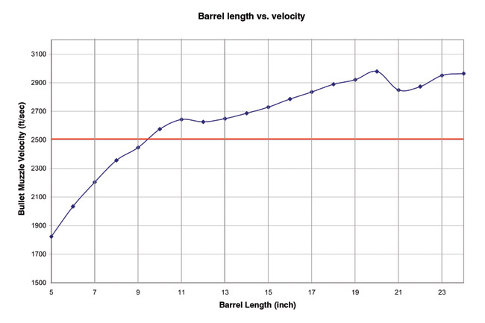
ID | AR |  |  |  | Recoil energy | Recoil velocity | RecoilImpulse | V1 NCTH X+Y | V2 NCTH X+Y
 | 20 Barrel | Mag | weight kg loaded | barrel in
713 | SIG550 | 30 | 4.58 | 20 | 2.71 | 4.15 | 41.94 | 6 | 7
1072 | HK 416 20 | 30 | 4.38 | 20 | 2.83 | 4.34 | 41.94 | 7 | 7
331 | SA80 | 30 | 4.35 | 20 | 2.85 | 4.37 | 41.94 | 7 | 7
781 | SAR21 | 30 | 4.35 | 20 | 2.85 | 4.37 | 41.94 | 7 | 7
20 | AUG A2 | 30 | 4.26 | 20 | 2.91 | 4.46 | 41.94 | 7 | 7
24 | FAMAS G2 | 30 | 4.33 | 20 | 2.86 | 4.39 | 41.94 | 7 | 7
752 | XM8 Sharpshooter | 30 | 4.02 | 20 | 3.08 | 4.73 | 41.94 | 7 | 8
704 | QBZ97 | 30 | 3.93 | 20 | 3.15 | 4.84 | 41.94 | 7 | 8
632 | M16A4 | 30 | 3.93 | 20 | 3.15 | 4.84 | 41.94 | 7 | 8
23 | Diemaco C7 | 30 | 3.83 | 20 | 3.24 | 4.97 | 41.94 | 7 | 8
752 | M16A1 | 30 | 3.43 | 20 | 3.61 | 5.54 | 41.94 | 8 | 9

 | 18 Barrel
21 | HK G41A2 | 30 | 4.63 | 18 | 2.54 | 4.00 | 40.83 | 6 | 6
324 | AR 70/90 | 30 | 4.6 | 18 | 2.55 | 4.03 | 40.83 | 6 | 7
653 | FN FNC | 30 | 4.59 | 18 | 2.56 | 4.03 | 40.83 | 6 | 7
665, 755 | HK G36 | 30 | 4.13 | 19 | 2.84 | 4.48 | 40.83 | 7 | 7
781 | FN SCAR-L SV | 30 | 4.02 | 18 | 2.92 | 4.61 | 40.83 | 7 | 7
332 | Tavor TAR21 | 30 | 3.8 | 18 | 3.09 | 4.87 | 40.83 | 7 | 8
350 | SIG540 | 30 | 3.79 | 18 | 3.10 | 4.89 | 40.83 | 7 | 8
757 | INSAS | 30 | 3.73 | 18 | 3.15 | 4.96 | 40.83 | 7 | 8
 |  |  |  |  |  |  |  |  |  | http://sadefensejournal.com/wp/?p=1093
 | 16 Barrel
611 | AK108 | 30 | 4.33 | 16 | 2.60 | 4.18 | 39.94 | 6 | 7
646 | FN 2000 | 30 | 4.13 | 16 | 2.72 | 4.39 | 39.94 | 7 | 7
1070 | HK 416 16 | 30 | 4.03 | 16 | 2.79 | 4.49 | 39.94 | 7 | 7
743 | Valmet M82 | 30 | 3.83 | 16 | 2.94 | 4.73 | 39.94 | 7 | 7
 |  |  |  |  |  |  |  |  |  | Modifiers Recoil?: |  | Bullpup | -1
 | 14.5 Barrel
656 | Galil SAR | 30 | 4.28 | 13 | 2.51 | 4.14 | 39.06 | 6 | 7
662 | HK416 14 | 30 | 3.9 | 14.5 | 2.76 | 4.54 | 39.06 | 7 | 7
714 | SIG551 | 30 | 3.83 | 14.5 | 2.81 | 4.62 | 39.06 | 7 | 7 | Cartridge g | Rounds
666, 756 | HK G36K | 30 | 3.8 | 12.5 | 2.83 | 4.66 | 39.06 | 7 | 7 | 12 | 30 | 360
606 | AK 102 | 30 | 3.53 | 12.5 | 3.05 | 5.02 | 39.06 | 7 | 8 |  |  | 170 | steel mag
750 | XM8 Base | 30 | 3.19 | 12.5 | 3.37 | 5.55 | 39.06 | 8 | 9 |  |  | 530
633 | M4A1 | 30 | 3.05 | 14.5 | 3.52 | 5.81 | 39.06 | 8 | 9
12 | M4 Commando | 30 | 2.97 | 11.5 | 3.62 | 5.96 | 39.06 | 8 | 9

 | 10 Barrel
652 | SCAR-L CQC | 30 | 3.57 | 10 | 2.81 | 4.79 | 37.73 | 7 | 7
1066 | HK416 10 | 30 | 3.36 | 10.5 | 2.99 | 5.09 | 37.73 | 7 | 8
715 | SIG552 | 30 | 3.53 | 9 | 2.84 | 4.85 | 37.73 | 7 | 7
13 | HK53A3 | 30 | 3.53 | 8.5 | 2.84 | 4.85 | 37.73 | 7 | 7
691 | Micro Galil | 30 | 3.48 | 7.7 | 2.88 | 4.92 | 37.73 | 7 | 8
664 | HK G36C | 30 | 3.32 | 9 | 3.02 | 5.15 | 37.73 | 7 | 8
751 | XM8 Compact | 30 | 3.12 | 9 | 3.22 | 5.48 | 37.73 | 8 | 8
763 | Colt XM-177 | 30 | 2.92 | 10 | 3.44 | 5.86 | 37.73 | 8 | 9

 | MG 42rd |  | weight kg loaded | barrel in |  |  |  |  |  | Cartridge g | Rounds
726 | Steyr AUG HBAR | 30 | 4.57 | 24.4 | 2.71 | 4.16 | 41.94 | 6 | 7 | 12 | 42 | 504
 |  |  |  |  |  |  |  |  |  |  |  | 166 | poly mag
 |  |  |  |  |  |  |  |  |  |  |  | 670
 | MG 100rd |  | weight kg loaded | barrel in |  |  |  |  |  | Cartridge g | Rounds
740 | Ultimax | 100 | 6.4 | 20 | 1.94 | 2.97 | 41.94 | 5 | 5 | 12 | 100 | 1200
668, 1187 | HK MG36 | 100 | 5.26 | 18.9 | 2.23 | 3.52 | 40.83 | 6 | 6 |  |  | 300 | link+pouch
661 | HK 23E | 100 | 6.8 | 17.8 | 1.73 | 2.72 | 40.83 | 5 | 5 |  |  | 1500
1076 | Ares M4 Shrike | 100 | 4.9 | 16 | 2.29 | 3.70 | 39.94 | 6 | 6
1188 | CETME Ameli | 100 | 6.8 | 15.7 | 1.65 | 2.66 | 39.94 | 5 | 5

 | MG 200rd |  | weight kg loaded | barrel in |  |  |  |  |  | Cartridge g | Rounds
669 | HK MG43 | 200 | 11.25 | 18.9 | 1.04 | 1.65 | 40.83 | 3 | 3 | 12 | 200 | 2400
34 | FN Minimi | 200 | 10.62 | 18.3 | 1.11 | 1.74 | 40.83 | 3 | 3 |  |  | 750 | link+poch
650 | FN Minimi SPW | 200 | 8.9 | 16 | 1.26 | 2.04 | 39.94 | 4 | 4 |  |  | 3150

